UX
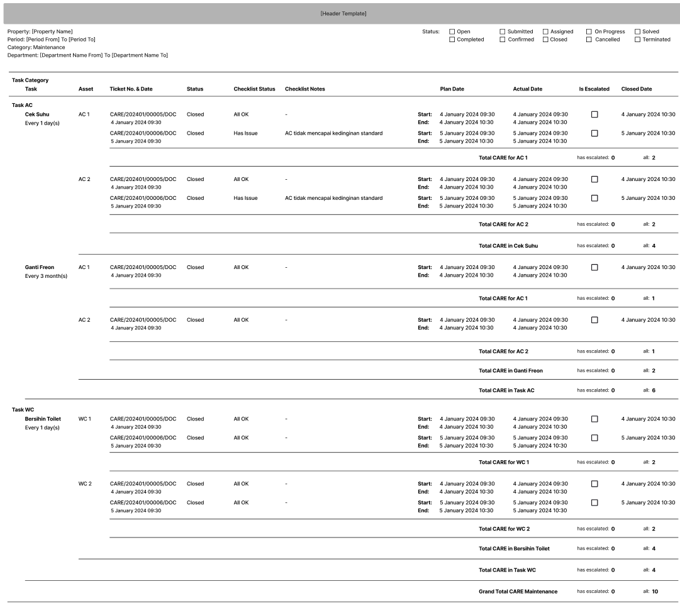
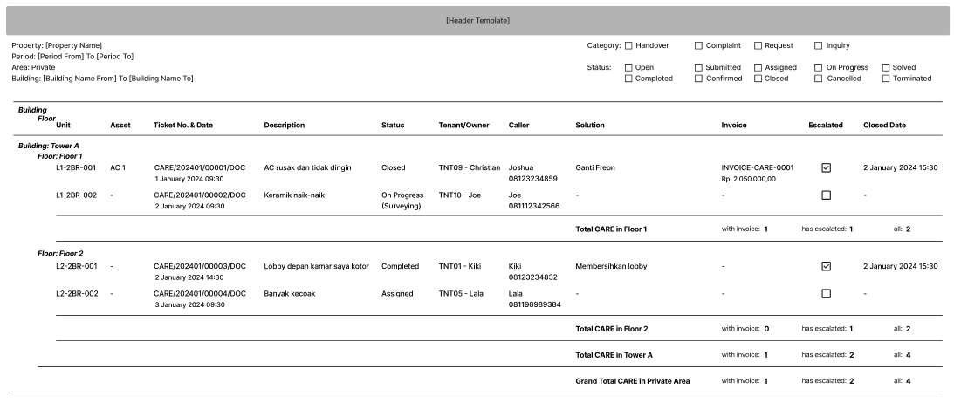
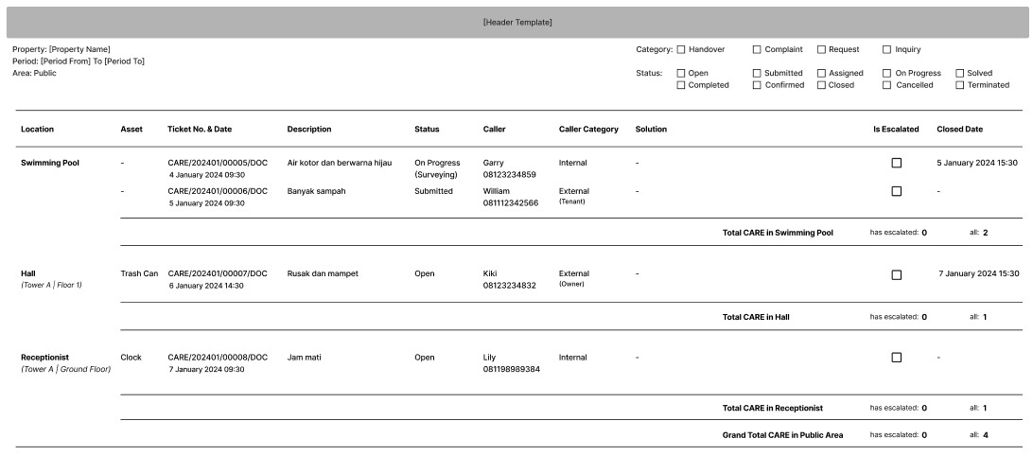
 | Property

 |  |  |  |  | Default
 |  |  |  | From | CARE
 |  |  |  | To | Category (complaint, request, inquiry)
 |  |  |  |  | Private
 |  |  |  |  | Period from today to today
 |  |  |  |  | All Status
 |  |  | From
 |  |  | To

 |  | From
 |  | To

Maintenance Report Template |  |  |  |  |  | Private Area Report Template | Public Area Report Template

